Sheet1
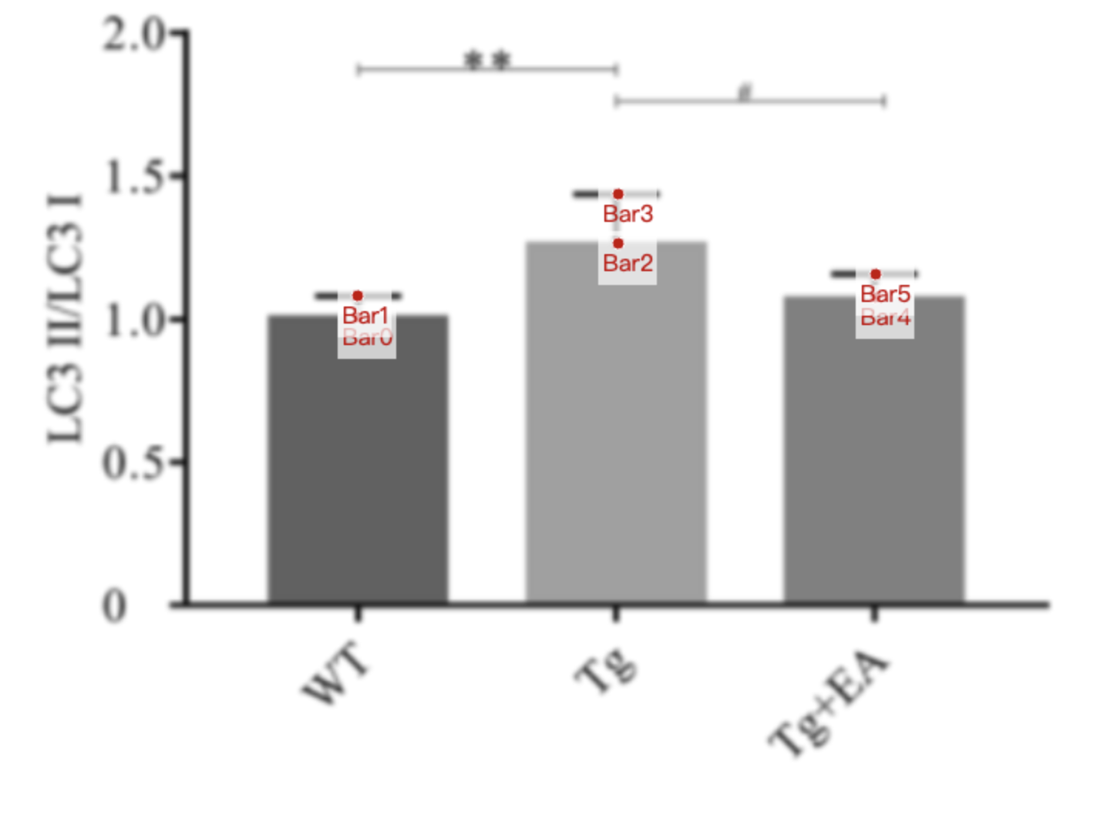
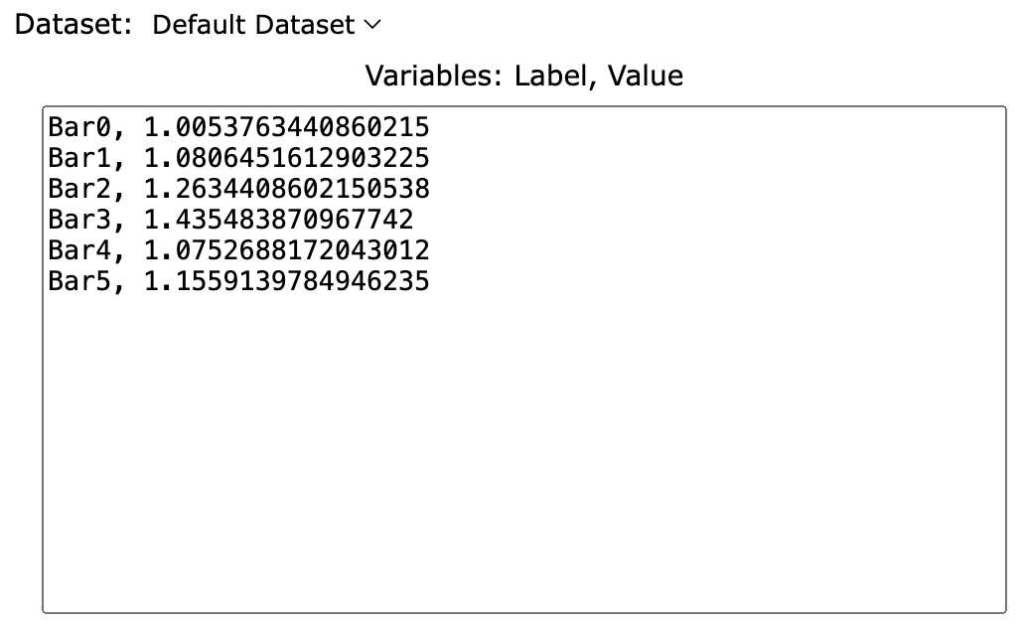
Treatment Groups | WT_LC3II/LC3I | Tg_LC3II/LC3I | Tg+EA_LC3II/LC3I
mean | 1.0053763441 | 1.2634408602 | 1.0752688172
sd | 0.0752688172 | 0.1720430108 | 0.08064516129
mean+sd | 1.0806451613 | 1.435483871 | 1.1559139785

